Sheet1
Bug Reports
Bug ID | Module | Test Case ID | Scenario | Description | Expected Result | Actual Result | Severity | Defects | Screenshot/recording
B-001 | Login/Signup | TC_LS_004 | Failed Signup with Invalid Input | Testing signup with incorrect email format. | Error message indicating invalid input. | Error message unclear: "Invalid email format." | Minor | DEF_001 | 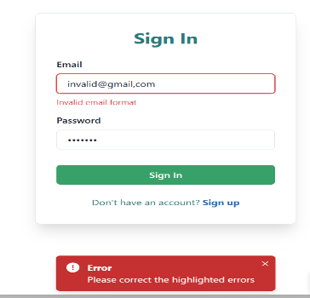
B-002 | Activity Tracker | TC_AT_004 | View Past Week's Activity | Verifying past week's activity display. | Activity displayed correctly. | Activity data not displayed. | Minor | None | 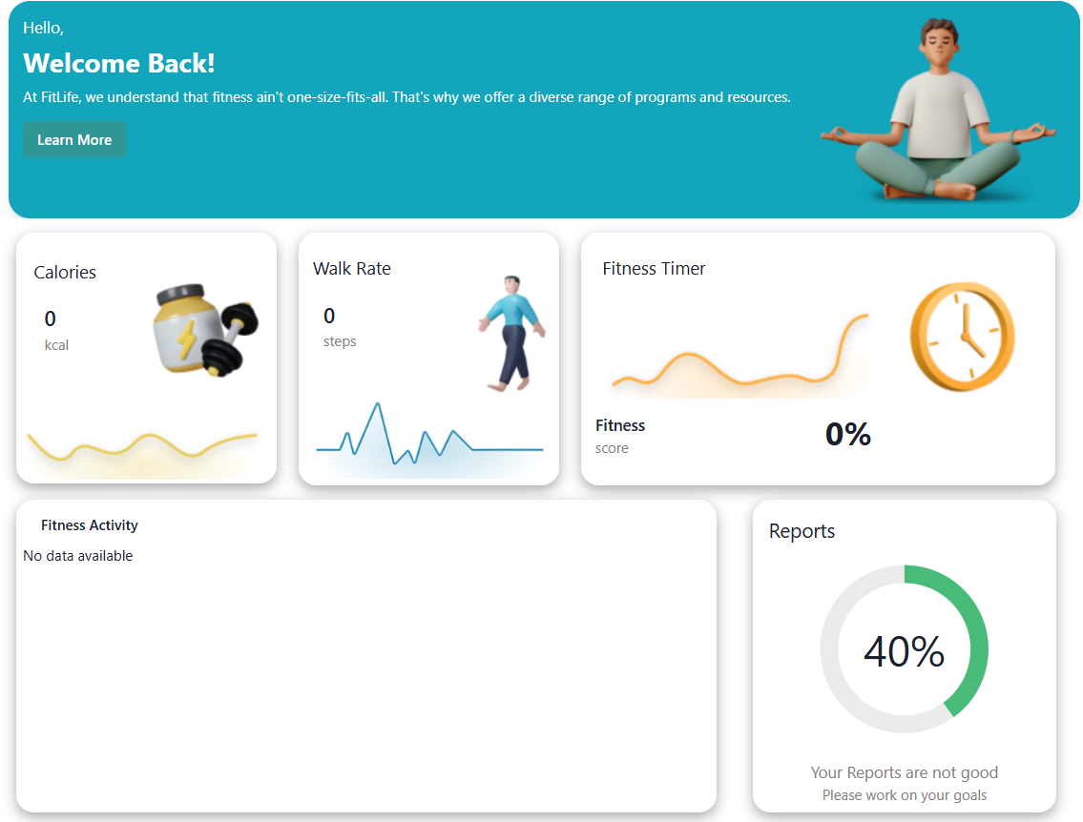
B-003 | Activity Tracker | TC_AT_005 | View Upcoming Week's Activity | Verifying upcoming week's activity display. | Activity displayed correctly. | Activity data not displayed. | Minor | None | 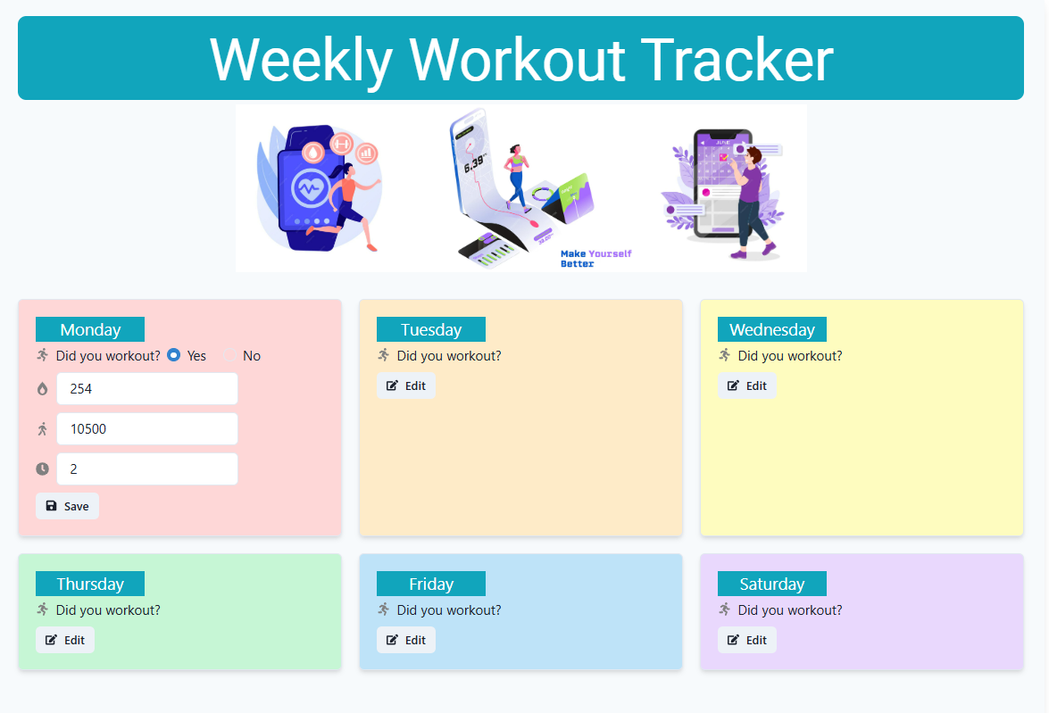
B-004 | Mental Wellness | TC_MW_004 | Personalized Recommendations | Recommendations based on mental wellness history. | Accurate and personalized recommendations. | Recommendations not tailored to user’s progress. | Minor | None | N/A
B-005 | Mental Wellness | TC_MW_005 | Progress Tracking | Verifying wellness progress tracking. | Accurate tracking of progress. | Progress tracking not functioning. | Minor | None | N/A
B-006 | Personal Training | TC_PT_005 | Trainer Interaction | Verify ability to interact with a personal trainer (if applicable). | Messages are sent and consultations are scheduled. | Messages are sent and consultations are scheduled. | Minor | DEF_002 | 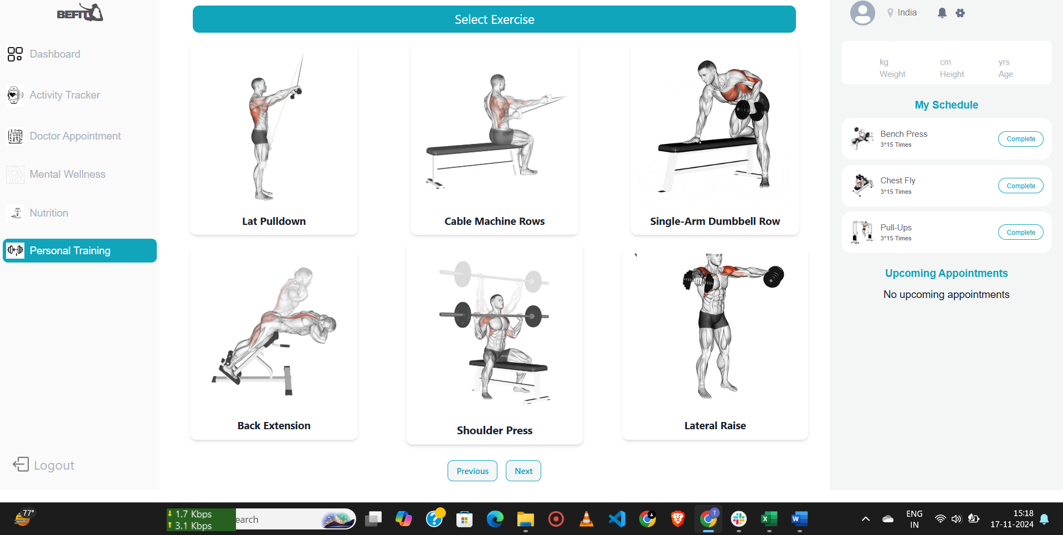
B-007 | Personal Training | TC_PT_009 | Easy Progress Tracking | Verify easy tracking of workout progress. | Progress tracking is easy and intuitive. | Progress tracking is easy and intuitive. | Minor | None | N/A

